1. Title Page
Instacart Grocery Basket Analysis

Project Name: Instacart Grocery Basket Analysis
Date: May 2025
Analyst Name: Andrés González

Contents:
Population Flow
Consistency checks
Wrangling steps
Column derivations
Visualizations
Recommendations

“The Instacart Online Grocery Shopping Dataset 2017”, Accessed from www.instacart.com/datasets/grocery-shopping-2017 via Kaggle on June 03, 2025.

2. Population Flow
Title page

Population flow

Exclusion flag
Condition: max_order <
Obervations to be removed: 1,441,548
Final total count of order_products_all: 30,992,664

Orders_products_combined
Orders_products_merged
Orders_products_all

Total: 32,434,212
Total: 32,434,489
Total: 32,434,212

1.) The grey boxes in the first row of the population flow represent the original data sets as they were when you downloaded them. In the Total fields you need to add the count of the rows when you imported the data set into Jupyter.
2.) The second row of boxes (coloured) represents the data sets after you manipulated them, e.g., removed missing values and duplicates. In the Total fields you need to add the count of the rows after conducting these operations. This offers a visual oveview of how the data flows throughout the data consistency checks.
3.) The third row, where also the arrows are coloured, represents the merges you performed between the datasets. In the Total fields you need to add the count of the rows in the merged datasets, so that you end up with the final dataset (in the red box). Keep in mind the final dataset should be without exclusions (based on the exclusion flag).

3. Consistency checks
 |  |  |  | Title page
Consistency checks

Dataset | Missing values | Missing values treatment | Duplicates
orders | 0 | N/A | 0
products | 16 | Drop them | 5
orders_products_prior | 0 |  | 0
customers | 0 |  | 0

4. Wrangling steps
 |  |  |  | Title page
Wrangling steps

Columns dropped | Columns renamed | Columns' type changed | Comment/Reason
eval_set (orders) |  |  | Not relevant for the analysis
 | order_dow (orders) to orders_day_of_the_week |  | Not clear what 'dow' means
 |  | order_id (orders) from integer to str | To prevent them from being included in descriptive stats
 |  | user_id (orders) from integer to str | To prevent them from being included in descriptive stats
 | First Name, Surnam, Gender, STATE, Age, n_dependants (customers) |  | To keep consistency (lower case) and fix typos
 |  | user_id (customers) from integer to str | To prevent them from being included in descriptive stats
first_name, surname (customers) |  |  | Sensitive info (PII)

5. Column derivations
 |  |  |  | Title page

Column derivations and aggregations

In this tab you should add tables below that the frequences of flags/label variables that you produced after deriving them. NB: don't do this for continuous variables, only for flags.
Dataset | New column | Column/s it was derived from | Conditions
ords_prods_merge | price_range_loc | prices | Price =< 5: Low-range product Price > 5 & Price =< 15: Mid-range product Price > 15: High-range product
ords_prods_merge | busiest_day | orders_day_of_week | Value = 0 (Saturday): Busiest day Value = 4 (Wednesday): Least busy Else: Regularly busy
ords_prods_merge | busiest_days | orders_day_of_week | Value = 0 (Sat) OR 1 (Sun): Busiest days Value = 3 (Tue) OR 4 (Wed): Slowest days Else: Regularly days
ords_prods_merge | busiest_period_of_the_day | order_hour_or_day | Value in 9 - 16: Most Orders Value in (7, 8, 17 - 22): Average Orders Else: Fewest Orders
ords_prods_merge | loyalty_flag | max_order | Value =< 10: New customer Value > 10 & Value =< 40: Regular customer Value > 40: Loyal customer
ords_prods_merge | spending_flag | avg_spend_user | Value < 10: Low Spender Value >= 10: Low Spender
ords_prods_merge | ord_regularity_median | frequency_flag | Value <= 10: Frequent customer Value > 10 & Value <= 20: Regular customer Value > 20: Non-frequent customer
df_ords_prods_cust | exclusion_flag | max_order | Value < 5: Excluded Value >= 5: Non-excluded
df_ords_prods_cust | region | state | Each state belongs to one of these four regions: South, Northeast, West, Midwest - as per specified in this page
df_ords_prods_cust | income_class | income | 1. Lower class = < US 52,000 2. Middle class = US 52,000 - US 156,000 3. Upper class = > US 156,000

6. Visualizations
 |  |  |  |  |  |  | Title page

Visualisations

In this tab you should include all the visualtions from Exercises 4.9 and 4.10, alongside the questions from the project brief that they answer. Include any commentary on the relationship between different variables.

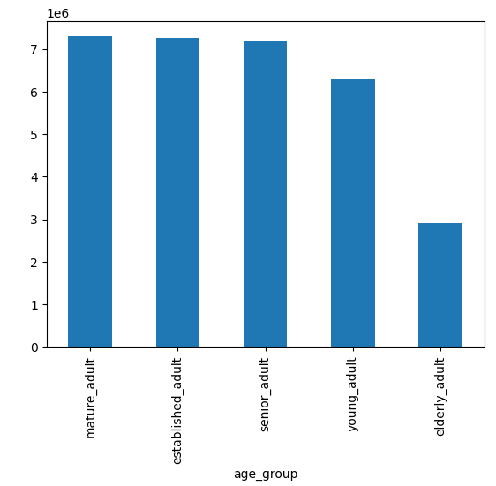

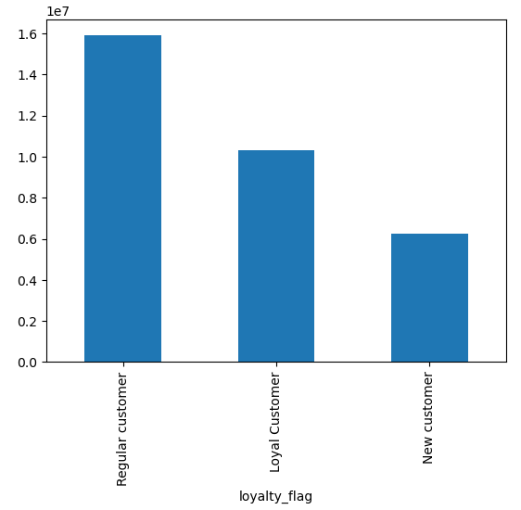

 |  |  |  | Exercise: 4.9
 |  |  |  |  |  |  |  | Exercise: | 4.10
 |  |  |  | Visualization: | Bar chart
 |  |  |  |  |  |  |  | Visualization: |  | Bar chart
 |  |  |  | Question it answers: |  | What’s the distribution among users in regards to their brand loyalty
 |  |  |  |  |  |  |  | Question it answers: |  | What different classifications does the demographic information suggest? Age?

 |  |  |  | Comment: | Most customers are Regular (10 - 40 products), followed by Loyal (>40 products), and finally the New Customers (<10 products).
 |  |  |  |  |  |  |  | Comment: |  | In terms of age, one can classify customers in 5 groups: mature_adult, established_adult, senior_adult, young_adult, and elderly_adult. (organized from left to right according to the viz - as the names are cut off)


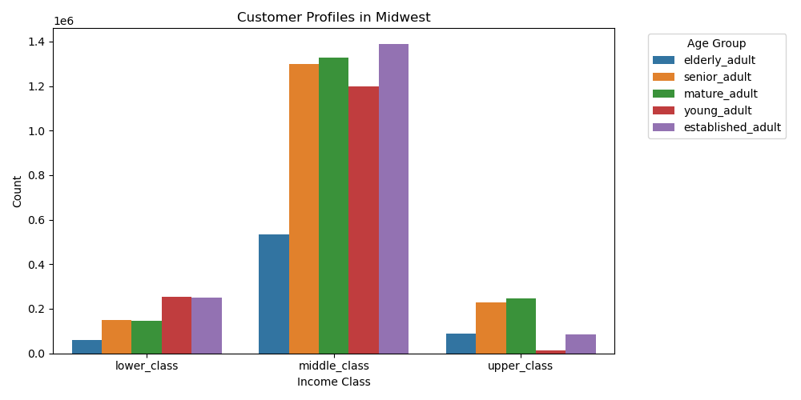

 |  |  |  |  |  |  |  |  |  |  |  |  |  |  |  | Exercise: 4.10
 |  |  |  | Exercise: 4.9
 |  |  |  |  |  |  |  |  |  |  |  |  |  |  |  | Visualization: | Grouped bar chart
 |  |  |  | Visualization: | Histogram
 |  |  |  |  |  |  |  |  |  |  |  |  |  |  |  | Question it answers: |  | What different classifications does the demographic information suggest? Income?
 |  |  |  | Question it answers: |  | The sales team needs to know what the busiest days of the week and hours of the day are

 |  |  |  |  |  |  |  |  |  |  |  |  |  |  |  | Comment: |  | In terms of income, most customers across all regions belong to middle class

 |  |  |  | Comment: | Busiest hours






 |  |  |  | Exercise: 4.9

 |  |  |  | Visualization: | Histogram

 |  |  |  | Question it answers: |  | Is there a connection between age and No. of dependents?

 |  |  |  | Comment: |  | No relationship between the variables

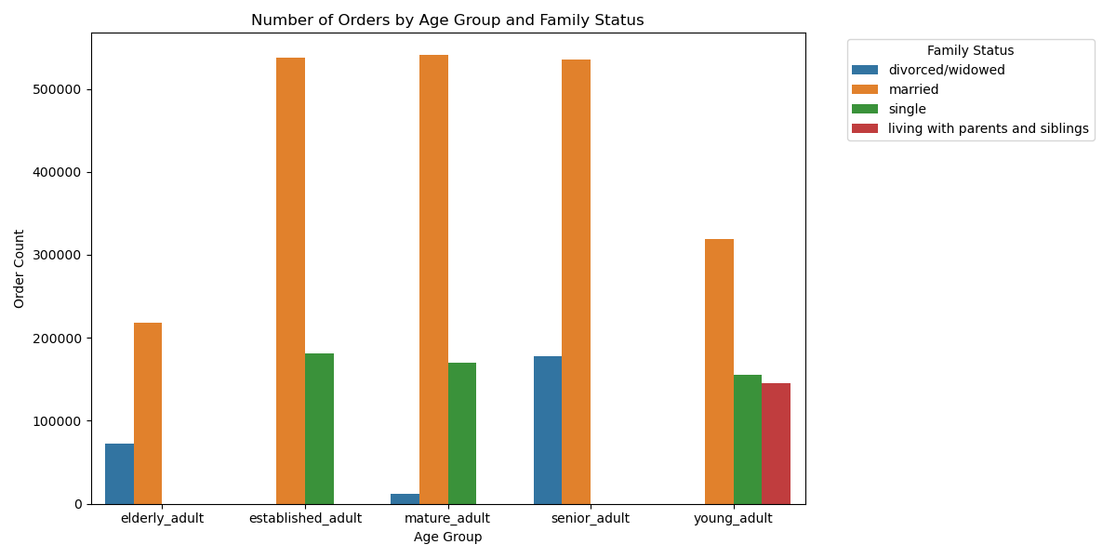

 |  |  |  |  |  |  |  |  |  |  | Exercise: 4.10

 |  |  |  |  |  |  |  |  |  |  | Visualization: |  | Grouped bar chart

 |  |  |  |  |  |  |  |  |  |  | Question it answers: |  |  | Is there a connection between age and family status in terms of ordering habits?

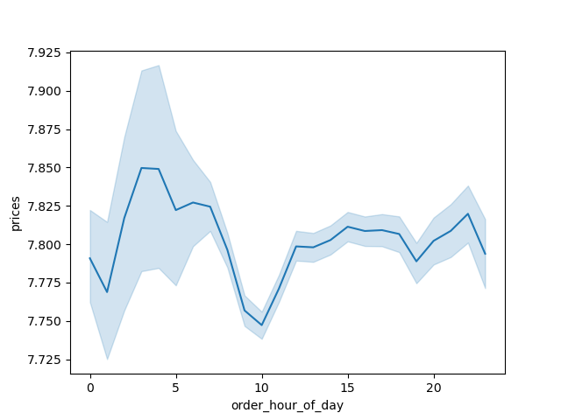
 |  |  |  |  |  |  |  |  |  |  | Comment: |  |  | * Married customers across all age groups order more than customers with a different marital status * Divorced/widowed mature adults place the least orders

 |  |  |  | Exercise: 4.9

 |  |  |  | Visualization: | Line chart

 |  |  |  | Question it answers: |  | They also want to know whether there are particular times of the day when people spend the most money

 |  |  |  | Comment: |  | From 7 am to 10 am there's a slight decline in sales.

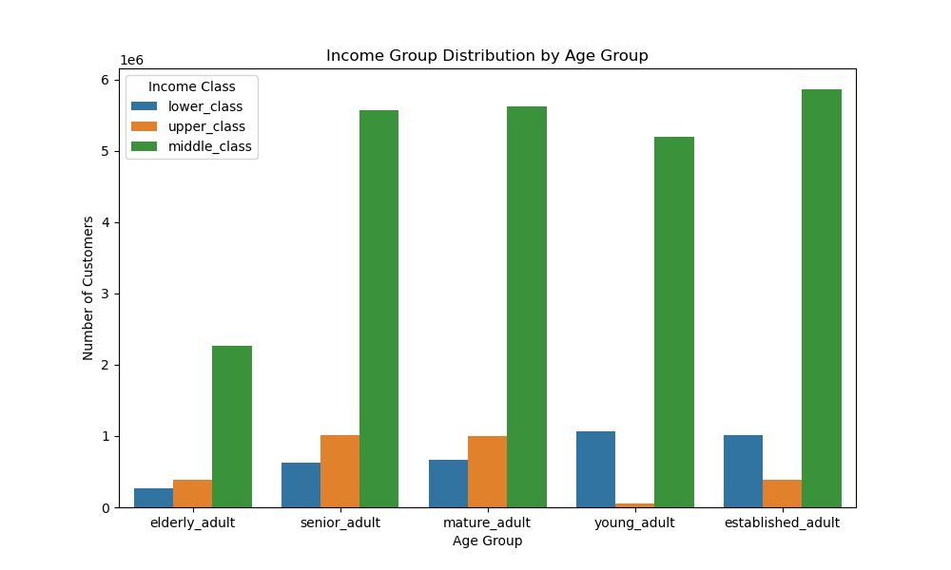
 |  |  |  |  |  |  |  |  |  |  | Exercise: 4.10

 |  |  |  |  |  |  |  |  |  |  | Visualization: |  | Grouped bar chart

 |  |  |  |  |  |  |  |  |  |  | Question it answers: |  |  | What different classifications does the demographic information suggest? Income?

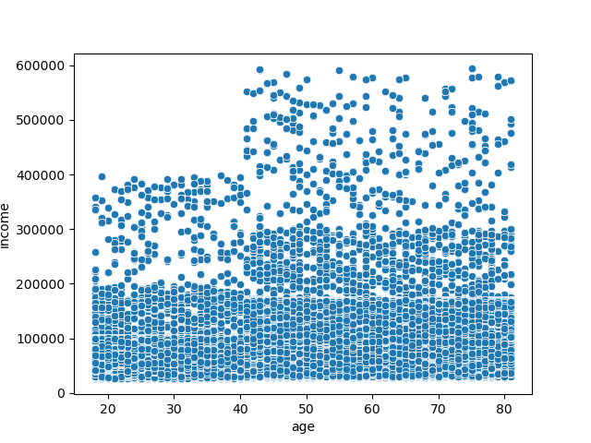
 |  |  |  |  |  |  |  |  |  |  | Comment:
 |  |  |  |  |  |  |  |  |  |  |  |  |  | This viz complents the 4 viz above (Customer profile in each one of the 4 regions)

 |  |  |  | Exercise: 4.9

 |  |  |  | Visualization: | Scatter plot

 |  |  |  | Question it answers: |  | Is there a connection between age and spending power?

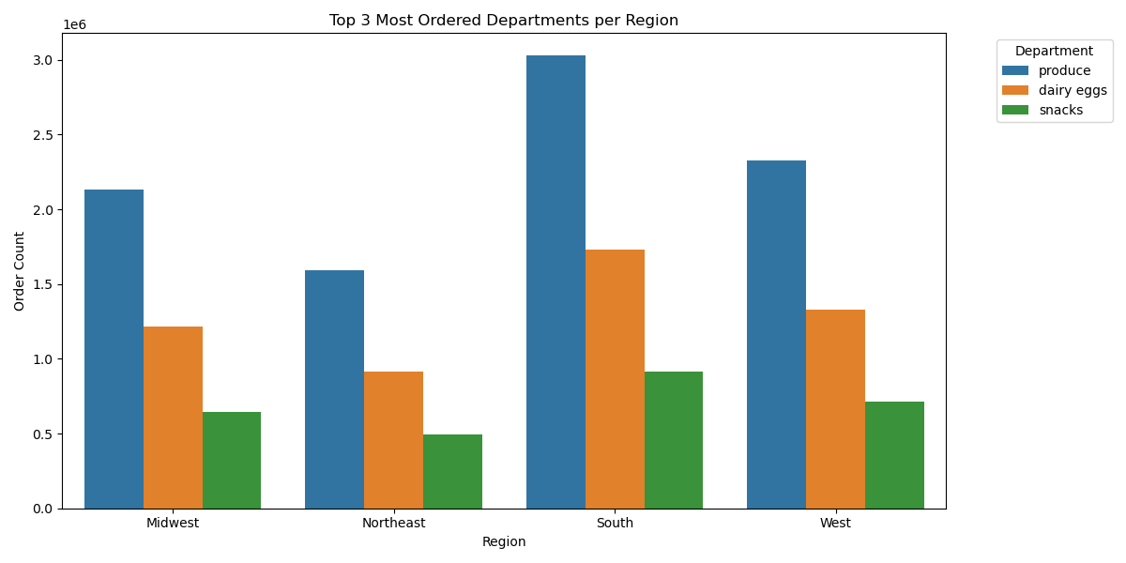
 |  |  |  | Comment:
 |  |  |  |  |  | No relationship between the variables |  |  |  |  | Exercise: 4.10

 |  |  |  |  |  |  |  |  |  |  | Visualization: |  | Grouped bar chart

 |  |  |  |  |  |  |  |  |  |  | Question it answers: |  |  | Are there certain types of products that are more popular than others?

 |  |  |  |  |  |  |  |  |  |  | Comment: |  |  | The same three products are in the top 3 across the four regions

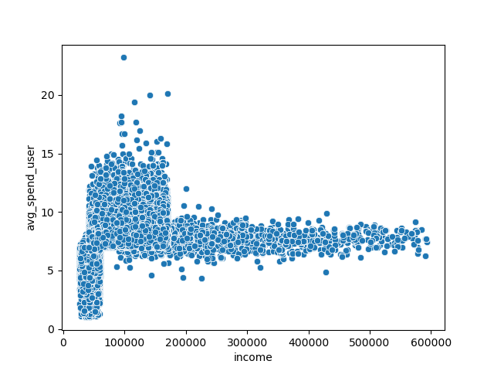

 |  |  |  | Exercise: 4.9

 |  |  |  | Visualization: | Scatter plot

 |  |  |  | Question it answers: |  | Is there a connection between income and average spending?

 |  |  |  | Comment:
 |  |  |  |  |  | The average spending does not increase as the income increases. In fact, lower and middle class individuals tend to spend more than upper class individuals. The latest average spenditure tends to be within a range of 5 - 10.

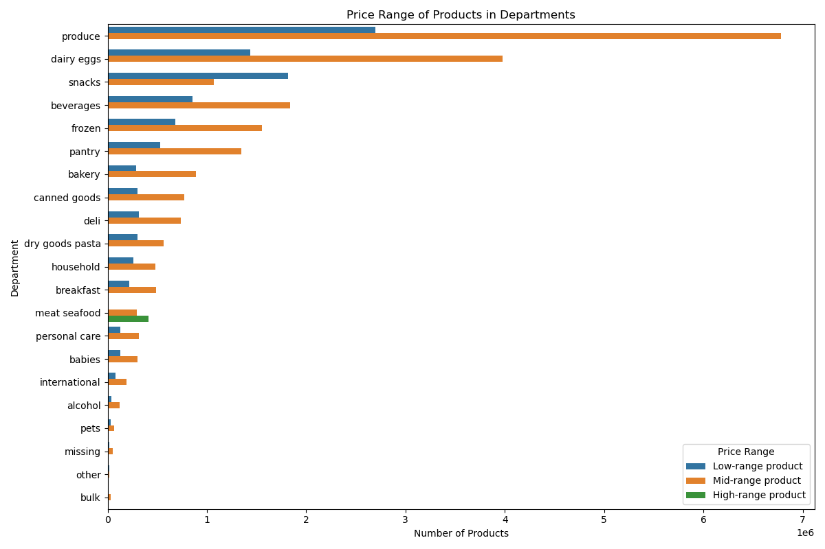
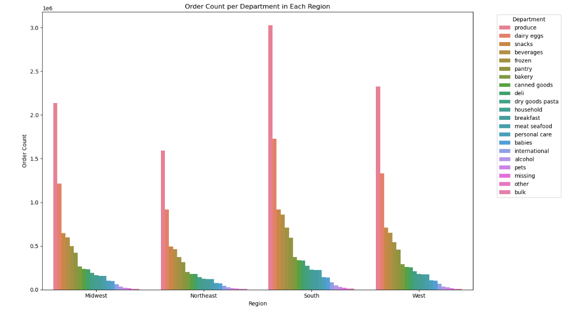

 |  |  |  |  |  |  |  |  |  |  |  | Exercise: 4.10

 |  |  |  |  |  |  |  |  |  |  |  | Visualization: |  | Grouped bar chart

 |  |  |  |  |  |  |  |  |  |  |  | Question it answers: |  |  | Are there certain types of products that are more popular than others?

 |  |  |  |  |  |  |  |  |  |  |  | Comment: |  |  | This viz shows all of the 21 depts. In descending order. It is consistent with the viz to the left.

Exercise: 4.9

Visualization: | Horizontal bar chart (grouped)

Question it answers: |  | How's the inventory distributed in terms of price ranges? | Note: This question came up during the analysis. It's not found in the project brief.

Comments:
 |  | 1) The 'Bulk' category has the least inventory. If high-income people uses our app to make bulk purchases, this can explain why they're spending less than low and middle income customers. 2) The income class is not positively correlated with number of dependents (see screenshot below); however, it would be helpful to have the variable 'babies'. If high-income people tend to have more babies than the other two classes, then another strategy to increase sales among high-income people would be to add more products (inventory) to the 'babies' category. 3) There's no info about the number of pets. This variable would help us get insights on whether or not increasing inventory in this category might increase sales among all income classes.

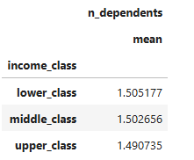

 |  | Source: Task 4.9_Part II_Revised

7. Recommendations
 |  |  |  | Title page

Recommendations

In this tab you should include any recommendations you would made to Instcart in terms of their marketing strategy based on the questions posed in the brief. Every key question has been covered in the Tasks of the Exercises - here you need to add an item - a visualisation or table/crosstable that is showing the answer in the data, acompanied by a comment from you. Please, list the questions below and add the answer underneath.

 | Question | Answer | Recommendations/Suggestions/Opportunities
1) | The sales team needs to know what the busiest days of the week and hours of the day are (i.e., the days and times with the most orders) in order to schedule ads at times when there are fewer orders. | * The busiest days of the week (the days when the most orders take place) are Saturday and Sunday. * The busiest hours of the day are 9 to 15. | * I recommend targeting Tuesdays and Wednesdays, which are the least busy days. * Also, I recommend ads from 7 am to 10 am, which is a period when sales decline.
2) | They also want to know whether there are particular times of the day when people spend the most money, as this might inform the type of products they advertise at these times. | From 00:00 to 05:00 * High spending - even though this is a low-orders timeframe. The average spending per product is high (US 7.77 - 7.85 per product). * Possible reasons? Late-night shoppers may want to make bulk purchases or purchase more expensive products while there's less traffic. From 07:00 to 10:00 * While the orders increase from 09:00 onwards, the average spending drops slightly (7.75). * Possible reasons? Perhaps users take a few minutes to visit the app and make quick purchases while they're working. From 10:00 onwards Prices rise again (over 7,80). * Possible reasons? Routine users. | * Offers (e.g. free delivery, discounts) between 5 am - 10 am to increase sales during this timeframe
3) | Instacart has a lot of products with different price tags. Marketing and sales want to use simpler price range groupings to help direct their efforts. | Low-range product: 0,1 - 5 Mid-range product: 6 - 15 High-range product: 16+ | * Suggested price tags are therefore low, mid, high.
4) | Are there certain types of products that are more popular than others? The marketing and sales teams want to know which departments have the highest frequency of product orders. | Yes, there are. The most popular types of products all across the 4 regions are produce, dairy eggs, and snacks. The numbers are: Midwest: P: 2.1 D: 1.2 S: 0.6 Northeast: P: 1.6 D: 0.9 S: 0.5 South: P: 3.0 D: 1.6 S: 0.8 West: P: 2.3 D: 1.3 S: 0.6 | * The 'Bulk' category has the least inventory. If high-income people uses our app to make bulk purchases, this can explain why they're spending less than low and middle income customers. Suggestion: Include new products gradually to this department. We can analyze the outcomes and see whether there seems to be a positive correlation between higher inventory in the bulk dept and more purchases from high-income customers. * The income class is not positively correlated with number of dependents; (Suggestion) however, it would be helpful to have the variable 'babies'. If high-income people tend to have more babies than the other two classes, then another strategy to increase sales among high-income people would be to add more products (inventory) to the 'babies' category. * There's no info about the number of pets. (Suggestion) This variable would help us get insights on whether or not increasing inventory in this category might increase sales among all income classes.
5) | The marketing and sales teams are particularly interested in the different types of customers in their system and how their ordering behaviors differ. For example:
 | * What’s the distribution among users in regards to their brand loyalty (i.e., how often do they return to Instacart)? | Total customers: 206,209 Criteria: 1) New customer | max orders < 10 | Total: 17,017 2) Regular customer | max orders > 10 & max orders =< 40 | Total: 76,864 3) Loyal customer | max orders > 40 | Total: 112,328
 | * Are there differences in ordering habits based on a customer’s loyalty status? | On average, the prices of products purchased by the three types of customers is quite similar: Loyal Customer 7.777933 New customer 7.804930 Regular customer 7.802317 | * To boost customer loyalty - and encourage other customers to become loyal - I'd suggest creating promotions/VIP programs/incentives that can be either general (apply to all loyal customers) or tailored (target a segment of loyal customers and offer discounts accordingly. I.e. Loyal customers who regularly buy products from certain dept could receive offers to buy a pack of products from that dept. at a lower price).
 | * Are there differences in ordering habits based on a customer’s region? | No. According to the data, there are no significant differences in ordering habits based on regions. 99% of customers across regions belong to the 'Low spender' category, which means that the mean price of products they purchase is lower than 10.
 | * Is there a connection between age and family status in terms of ordering habits? | The order frequency does not vary significantly between age groups after adding the family status (marital status) variable. However, the amount/number of orders does change: married customers place the highest amount of orders.
 | * What different classifications does the demographic information suggest? Age? Income? Certain types of goods? Family status? | In terms of age, the customers' database is composed by people aging from 18 to 81. Thus, the following classification can be applied: Young Adult = 18 - 30 Established adult = 31 - 45 Mature adult = 46 - 60 Senior adult = 61 - 75 Elderly adult = 76 - 81 The database is evenly composed by established, mature, and senior adults (7,2 million each). Then comes young adults (6,3 million). Finally, elderly adults (2,9 million). Note: These numbers DO NOT include low-activity customers (customers with less than 5 orders). In terms of income, the lowest is 25,903 and the highest is 593,901. Based on a study by the World Economic Forum in 2022, I used the following classification: 1. Lower class = < US 52,000 2. Middle class = US 52,000 - US 156,000 3. Upper class = > US 156,000

